Nodejs
Create CRUD app with Nodejs

 | In this session, we have to create CRUD app with Nodejs. So, if you don't have Node app, please download and install it.
 | Nodejs Link: |  | https://nodejs.org/en/download/

 | 1) Open PowerShell by Shift Key + Right Click, and type the following commands.
 | mkdir Lambda-Local-Deployment cd .\Lambda-Local-Deployment\ code .

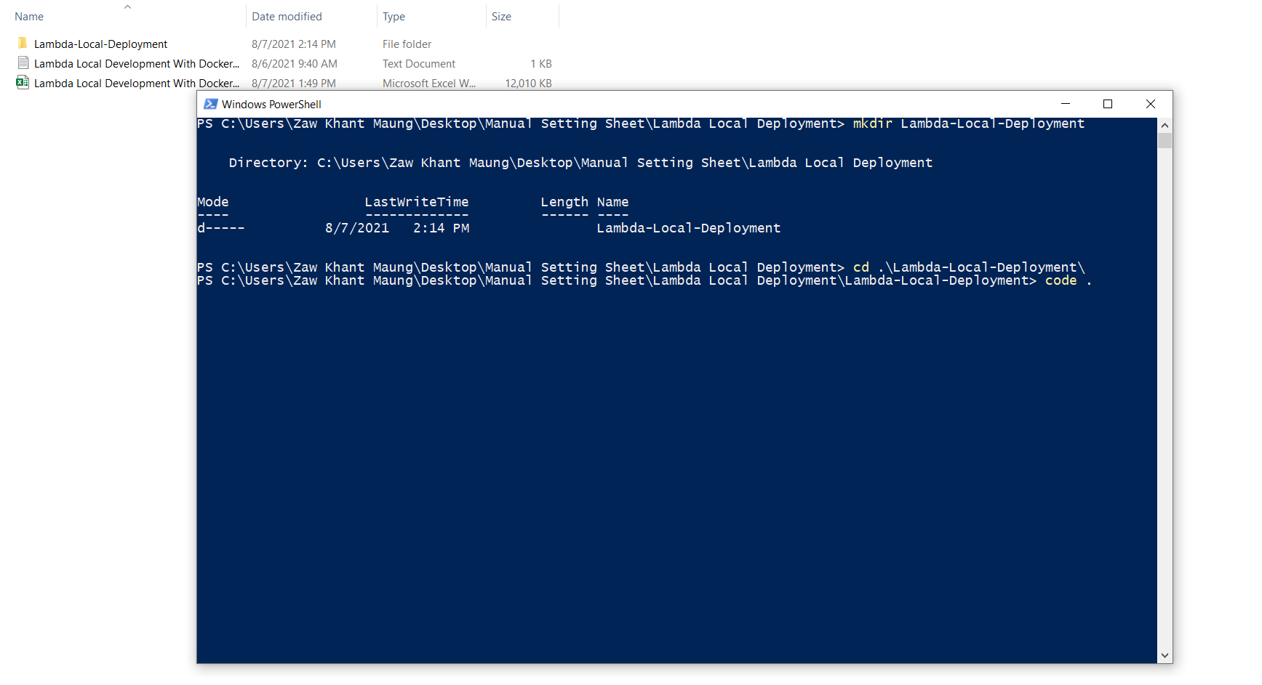

 | 2) Open terminal in VSCode and type `npm init` under root folder.
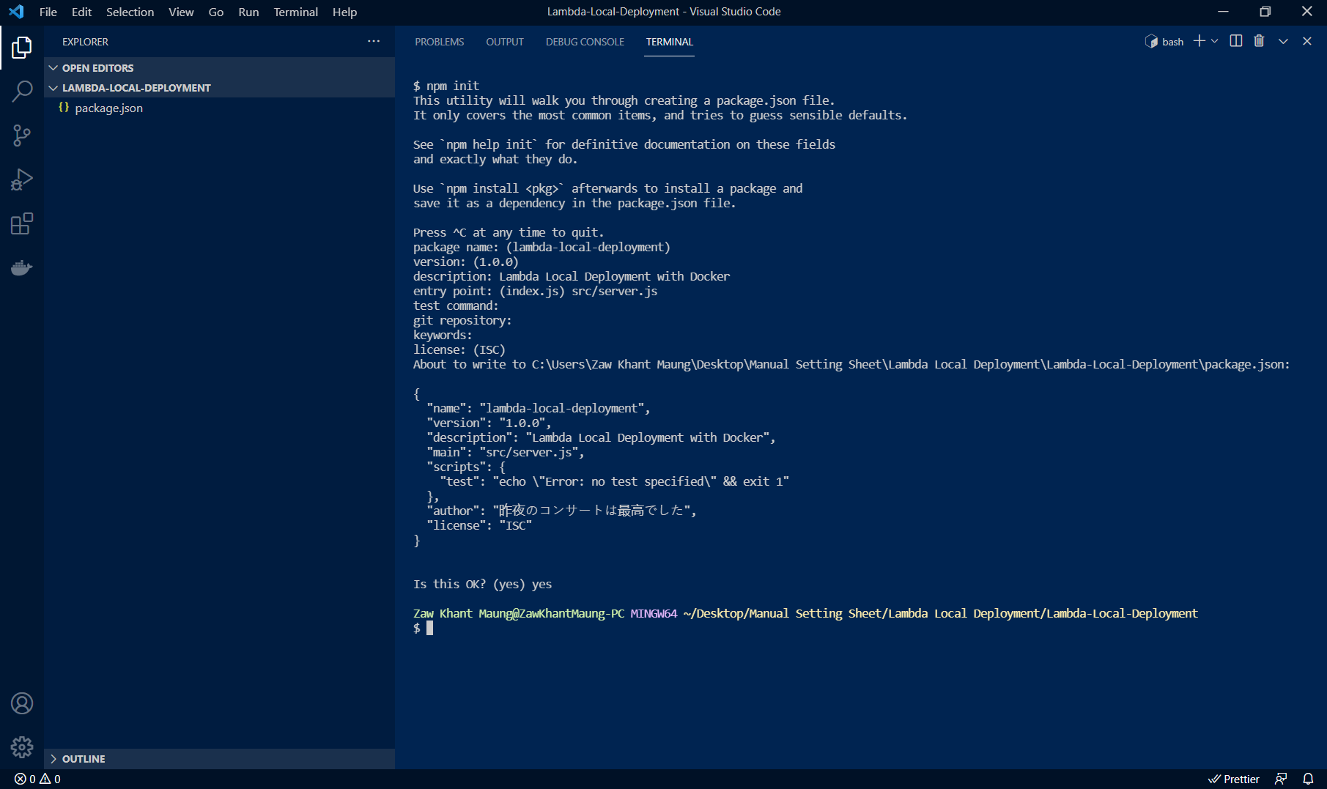

 | 3) Type `npm install mysql2 && npm install dotenv`.
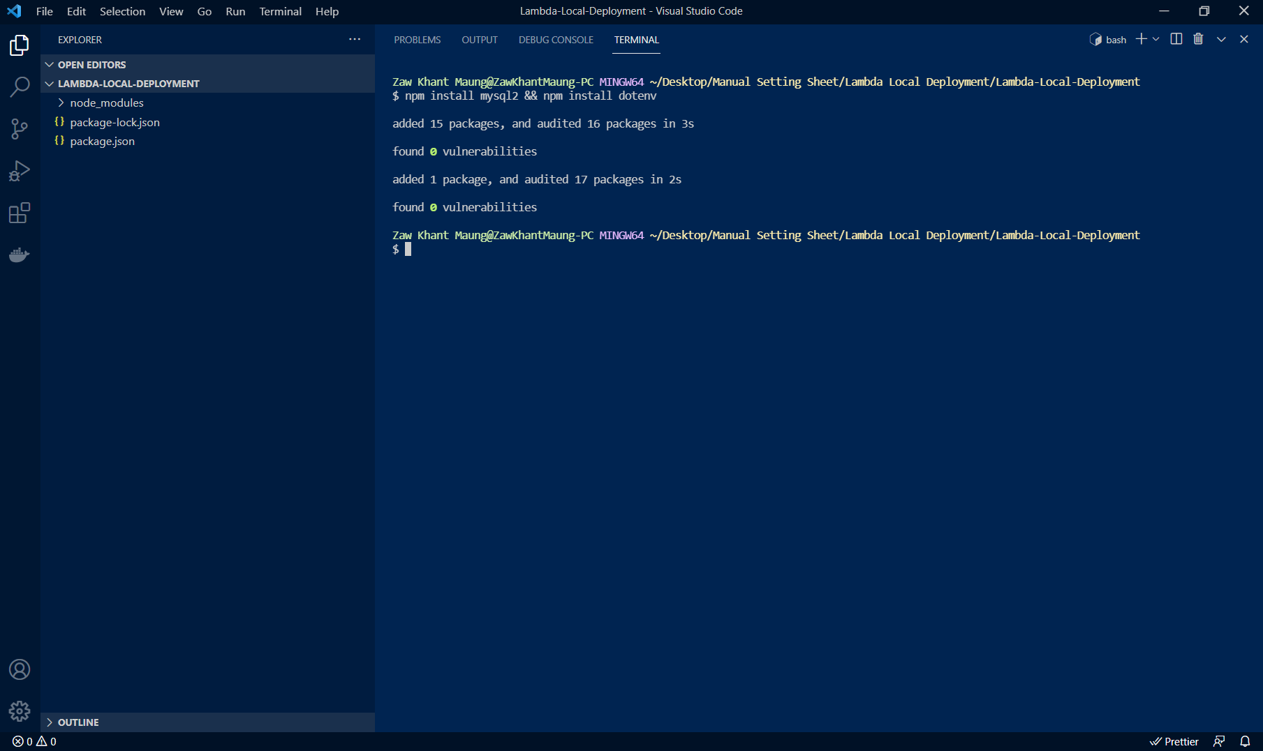

 | 4) Type the following commands.
 | mkdir src cd src/ && > db.js && > server.js && > test.js && > user.js cd ../ && > .env

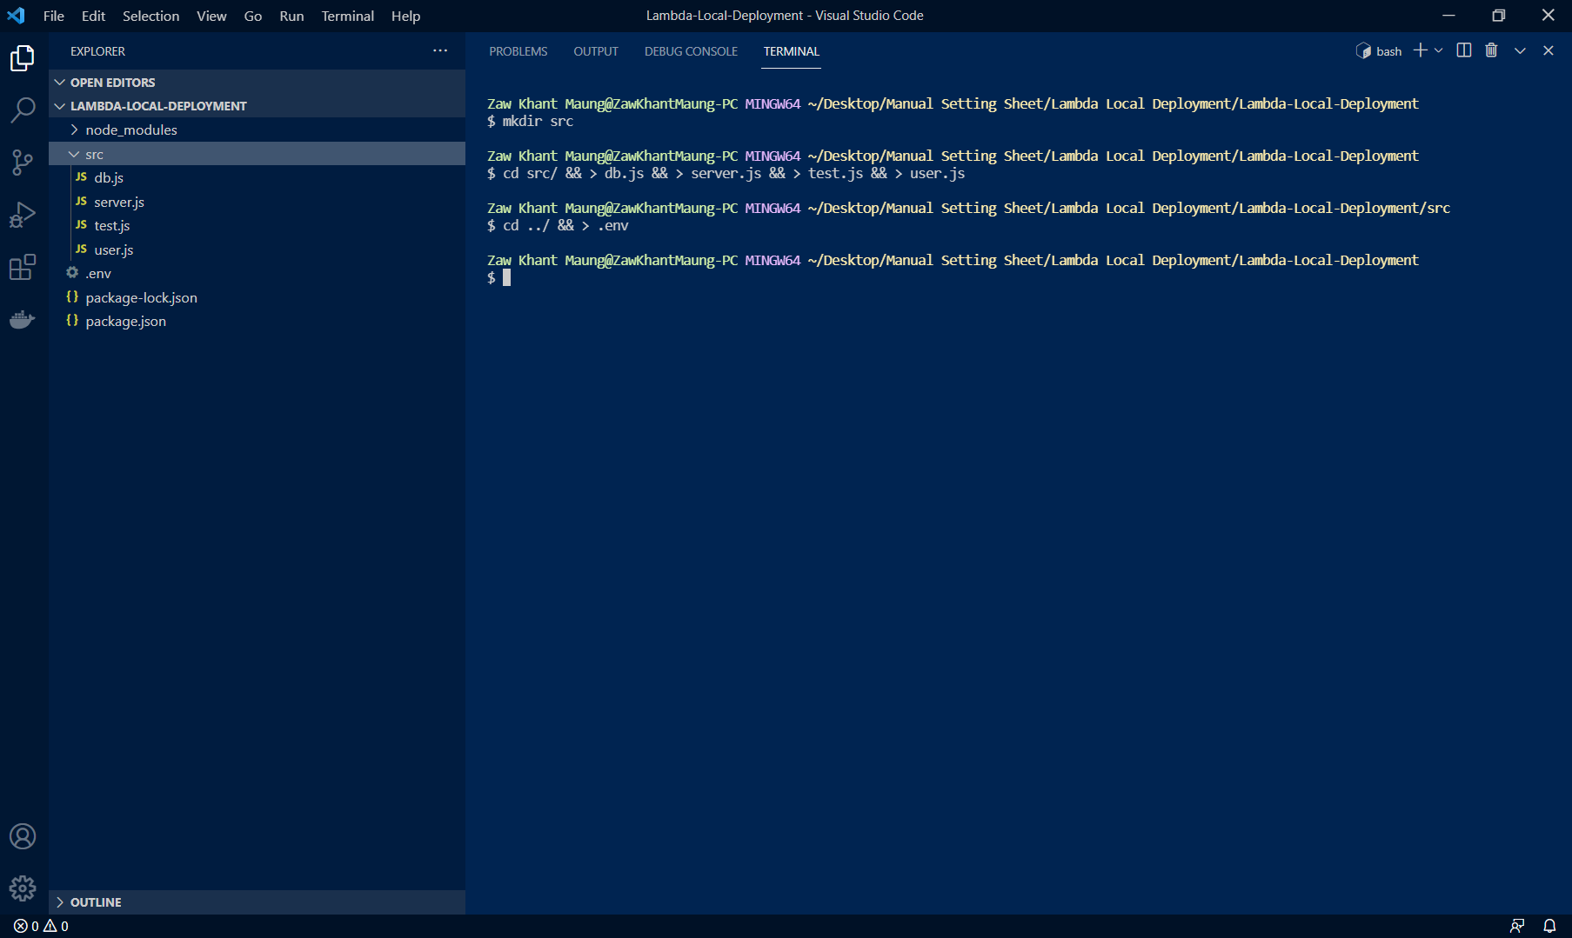

 | 5) Copy the following codes to each of files.

 |  | a) .env
 |  | Note: user and password much be your SQL credentials.
 |  | DB_HOST=127.0.0.1 DB_USER=user DB_PASSWORD=password DB_NAME=myapp DB_PORT=3306

 |  | b) src/db.js
 |  | require("dotenv").config({ path: "./.env" }); const mysql = require("mysql2"); const connection = mysql.createConnection({ host: process.env.DB_HOST, user: process.env.DB_USER, password: process.env.DB_PASSWORD, database: process.env.DB_NAME, port: process.env.DB_PORT, }); const connectToDatabase = async () => { connection.connect((error) => { if (error) throw error }); }; module.exports = { connection, connectToDatabase, };

 |  | c) src/server.js
 |  | "use strict"; const { ins, upd, del, sel, dbtest } = require("./user"); exports.ins = async (event) => { try { const data = await ins(event) return { statusCode: 200, headers: { "Access-Control-Allow-Origin": "*", "Access-Control-Allow-Credentials": true, "Access-Control-Allow-Methods": "*", "Access-Control-Allow-Headers": "*", "Content-Type": "application/json", }, body: JSON.stringify(data), }; } catch (error) { throw error } }; exports.upd = async (event) => { try { const data = await upd(event) return { statusCode: 200, headers: { "Access-Control-Allow-Origin": "*", "Access-Control-Allow-Credentials": true, "Access-Control-Allow-Methods": "*", "Access-Control-Allow-Headers": "*", "Content-Type": "application/json", }, body: JSON.stringify(data), }; } catch (error) { throw error } }; exports.del = async (event) => { try { const data = await del(event) return { statusCode: 200, headers: { "Access-Control-Allow-Origin": "*", "Access-Control-Allow-Credentials": true, "Access-Control-Allow-Methods": "*", "Access-Control-Allow-Headers": "*", "Content-Type": "application/json", }, body: JSON.stringify(data), }; } catch (error) { throw error } }; exports.sel = async (event) => { try { const data = await sel(event) return { statusCode: 200, headers: { "Access-Control-Allow-Origin": "*", "Access-Control-Allow-Cred

 |  | d) src/test.js
 |  | const { ins, upd, del, sel, dbtest } = require("./server.js"); // ins() // upd() // del() // sel() dbtest()

 |  | e) src/user.js
 |  | "use strict"; const { connection, connectToDatabase } = require("./db"); const getUsers = () => { return new Promise((resolve, reject) => { connection.query(`Select * FROM users`, function (error, results, fields) { if (error) reject(error); resolve(results); }); }); }; const ins = async(event) => { const responseBody = { message: 'Data Inserted Successfully', status: 200, }; let username = 'myUsername'; let hometown = 'myHometown'; connection.connect(); connection.query("CREATE TABLE IF NOT EXISTS users (`id` INT(3) PRIMARY KEY AUTO_INCREMENT, `name` VARCHAR(20) NOT NULL, `hometown` VARCHAR(20), `created_at` TIMESTAMP DEFAULT CURRENT_TIMESTAMP, `updated_at` DATETIME DEFAULT CURRENT_TIMESTAMP ON UPDATE CURRENT_TIMESTAMP)", function (error, results, fields) { if (error) throw error; }); connection.query(`INSERT INTO users (name, hometown) VALUES ('${username}', '${hometown}')`, function (error, results, fields) { if (error) throw error; }); responseBody.data = await getUsers() connection.end(); console.log(responseBody); }; const upd = async(event) => { const responseBody = { message: 'Data Updated Successfully', status: 200, }; let id = 1; let hometown = 'myHometownUpdate'; connection.connect(); connection.query(`UPDATE users SET hometown = '${hometown}' WHERE id = ${id}`, function (error, results, fields) { if (error) throw error; }); responseBody.data = await getUsers() connection.end(); console.log(responseBody); } const del = async(event) => { const responseBody = { message: 'Data Deleted Successfully', status: 200, }; let id = 1; connection.connect(); connection.query(`DELETE FROM users WHERE id=${id}`, function (error, results, fields) { i

 | 6) Now, we prepare for database.
 | So, if you don't have MySQL, please download and install it. Also, MySQL client, naming is HeidiSQL.

 |  | a) Open Runbox by Win Key + R Key and type `services.msc`.
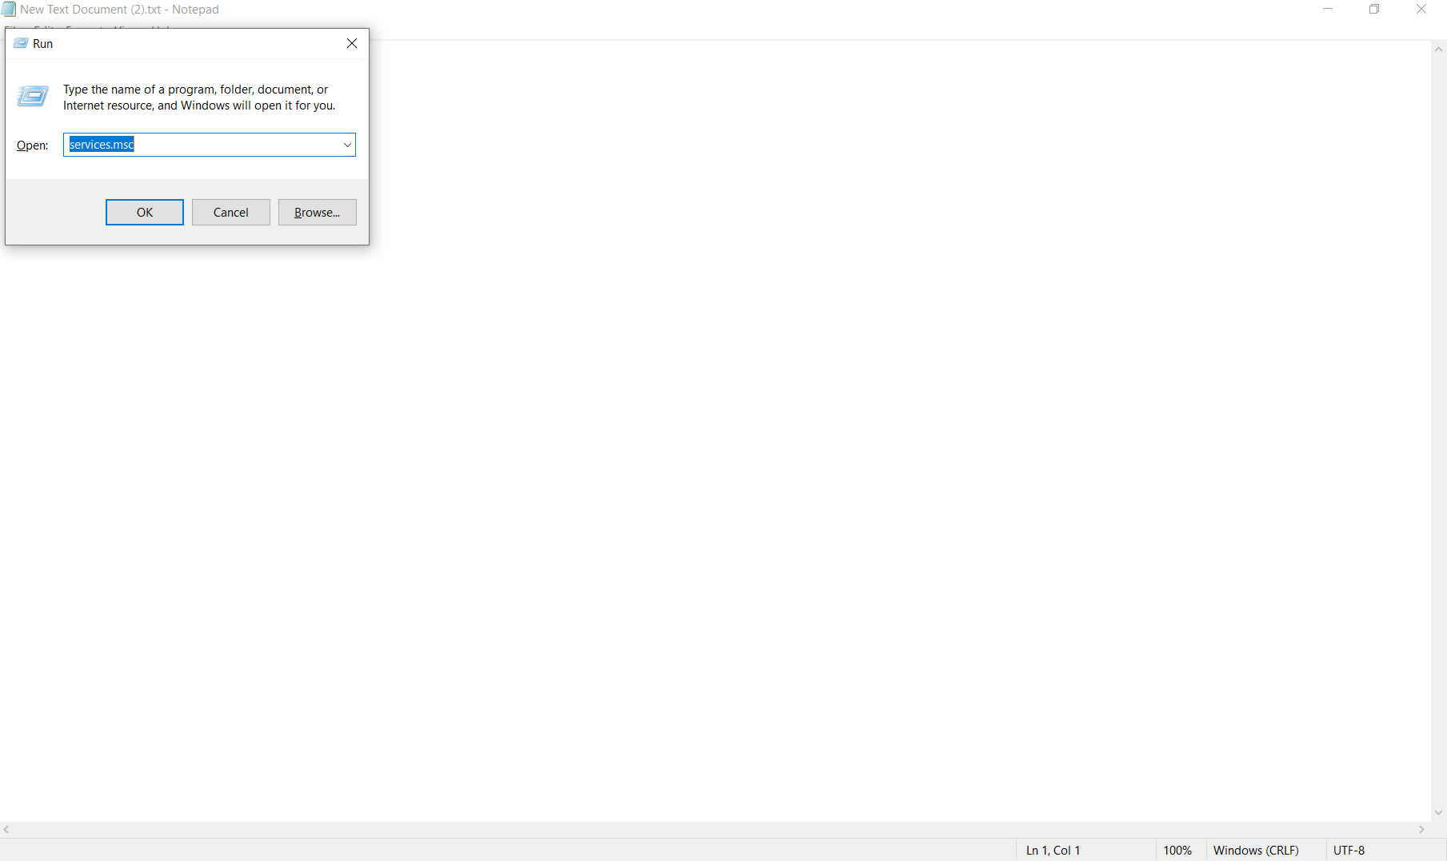

 |  | b) Right click on MySQL80, and start MySQL.
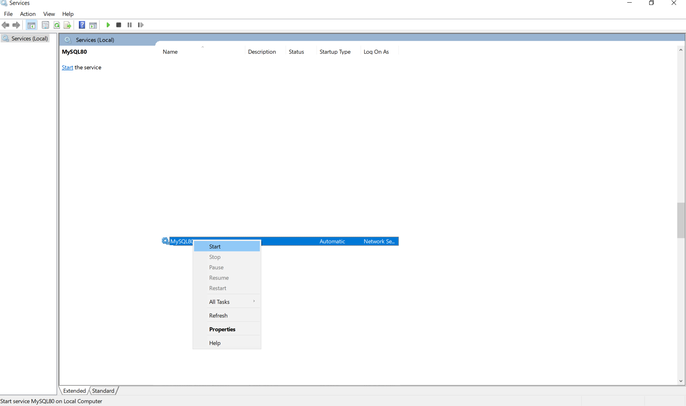

 |  | c) Open Hendi SQL.
 |  | Note: user and password much be your SQL credentials.
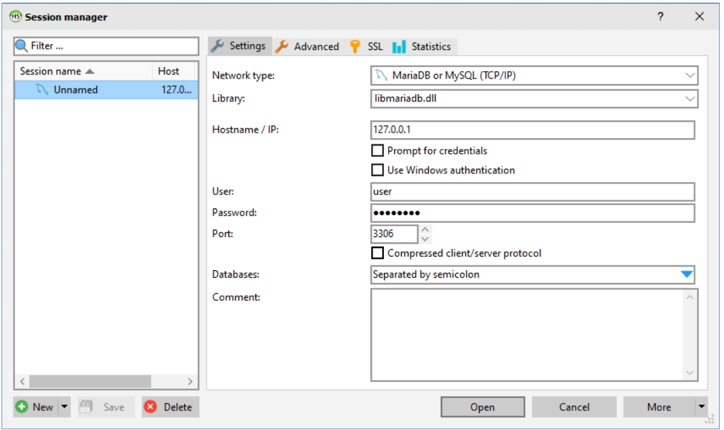

 |  | d) Right click on Unnamed > Create new > Database, and create new database with name `myapp`.
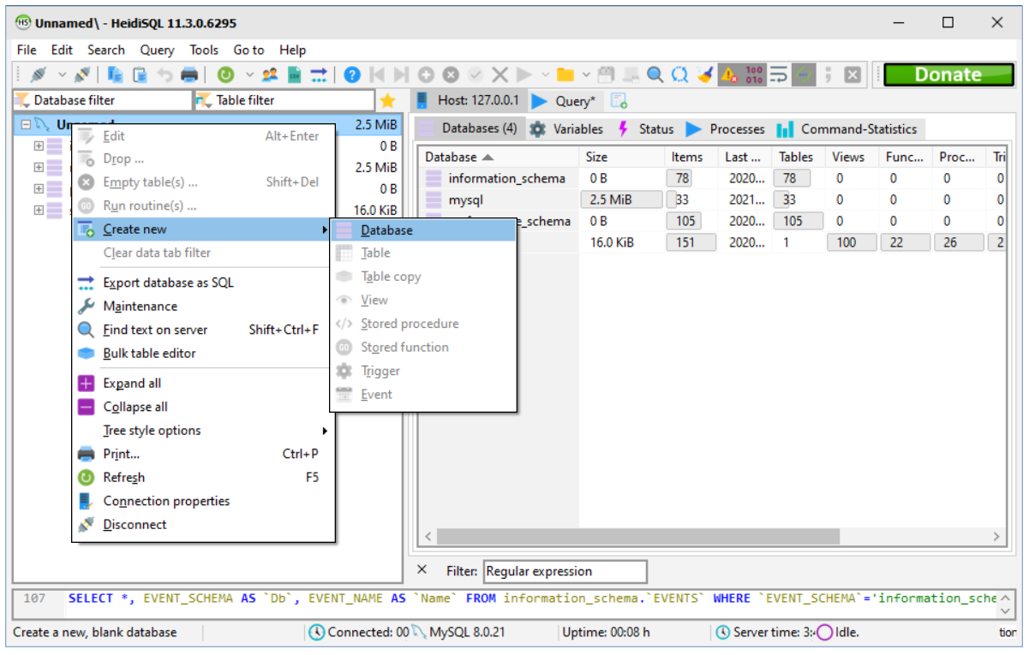

 |  | e) Now, we have to test our database connection. So, return VSCode and type `node src/test` in terminal under root folder.
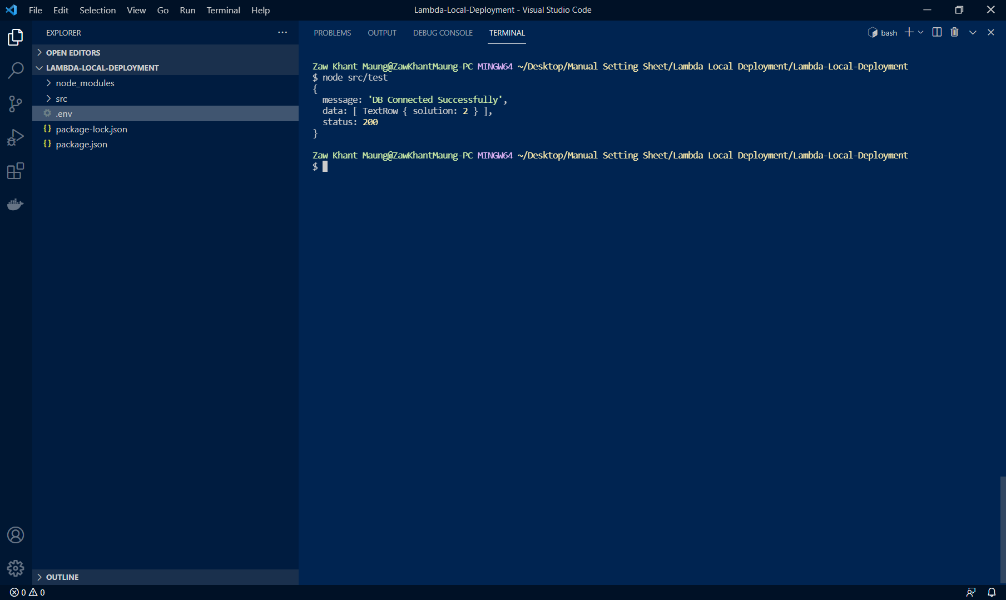

 |  | f) To testing data insert, check the following image and type `node src/test` again.
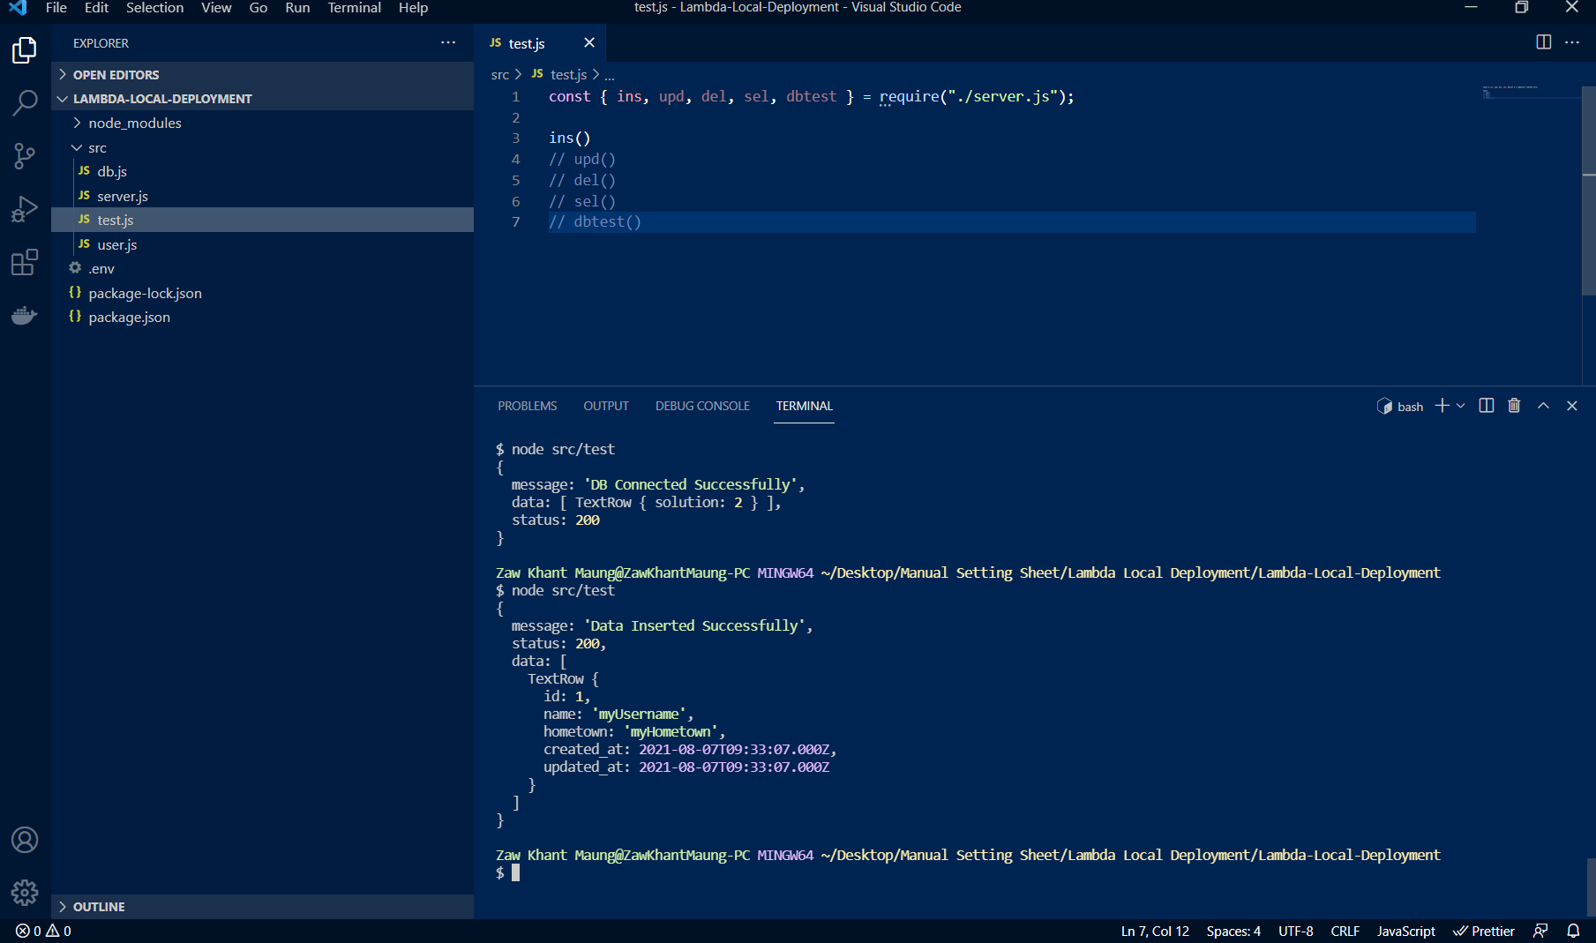

 |  | g) Check database in SQL client.
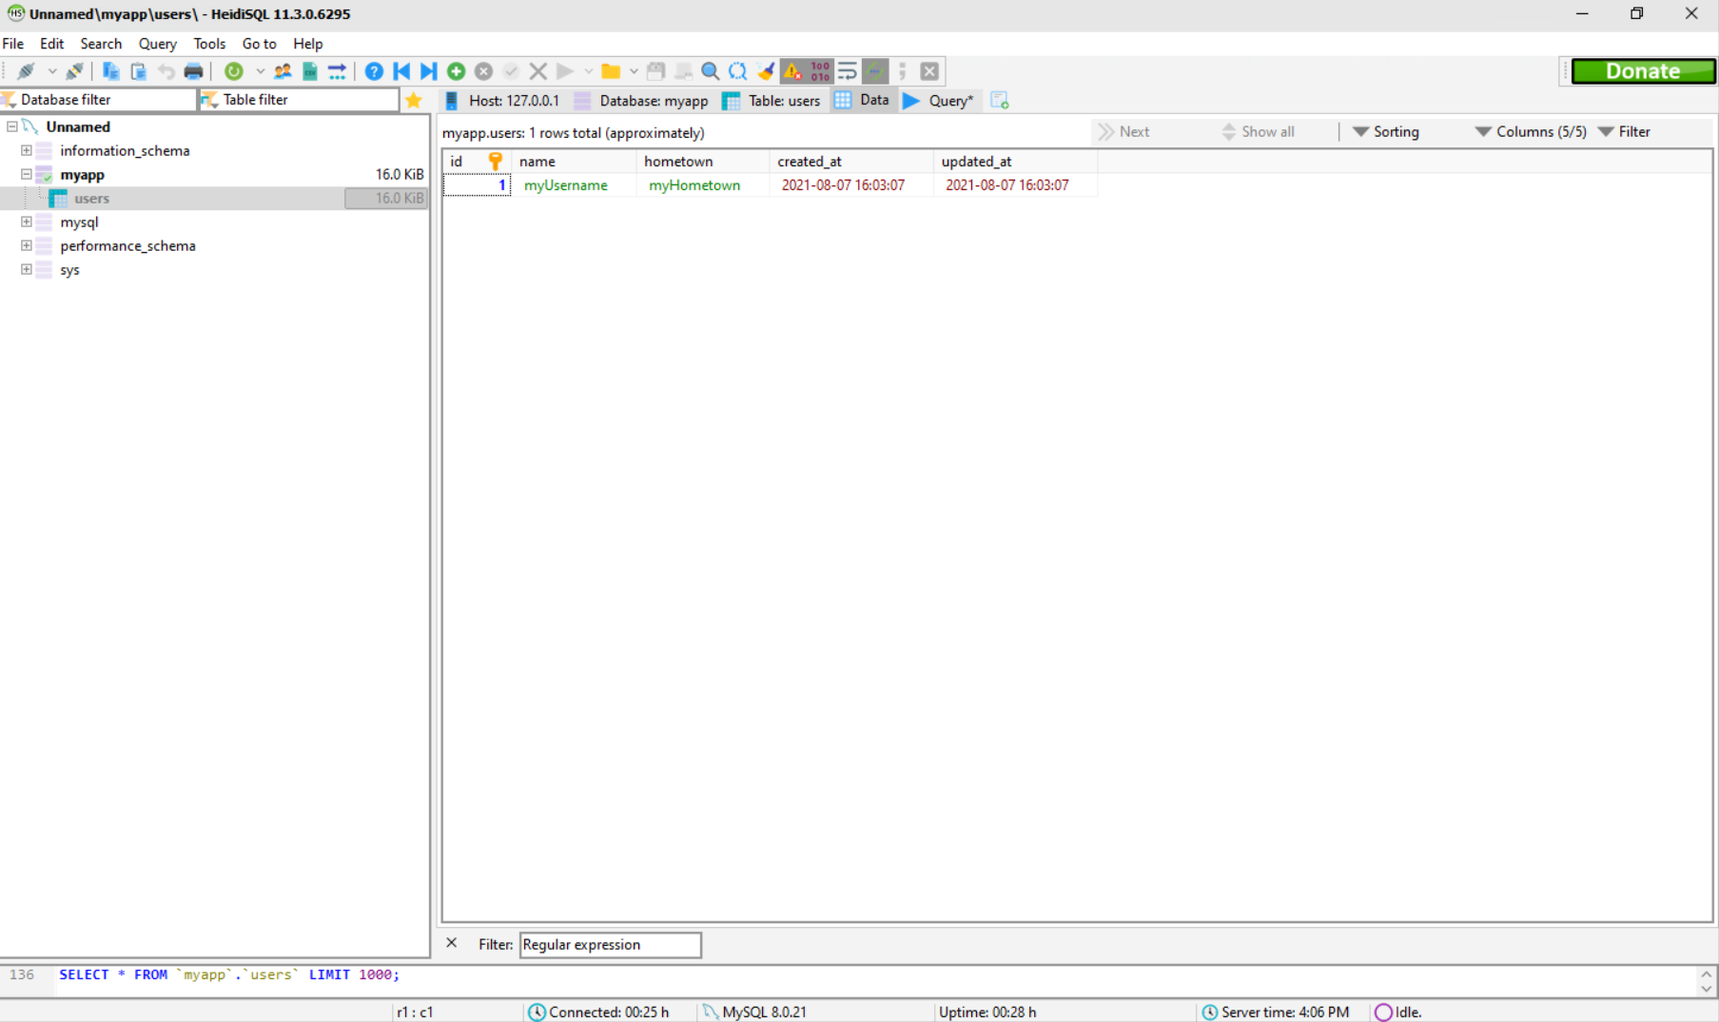

 |  | If you get this step successfully, you have been successfully created CRUD app with Nodejs.

Docker & Serverless
Add Docker and Serverless

 | In this session, we have to add Docker and Serverless files into CRUD app. So, if you don't have Docker and Serverless, please download and install this.
 | Docker Link: |  | https://www.docker.com/products/docker-desktop
 | Serverless Link: |  | https://www.serverless.com/framework/docs/getting-started/

 | 1) Type `> docker-compose.yml` in terminal under root folder, and paste the following codes to these file.
 | version: "3.1" services: localstack: image: localstack/localstack:latest container_name: localstack environment: - AWS_DEFAULT_REGION=us-east-1 - EDGE_PORT=4566 - SERVICES=lambda,s3,cloudformation,sts,apigateway,iam,route53 - EXTRA_CORS_ALLOWED_HEADERS=X-Referer, x-referer, Autorization, Origin, origin, X-Requested-With, X-Csrftoken, Content-Type, Accept, sec-ch-ua, sec-ch-ua-mobile, User-Agent ports: - "4566-4597:4566-4597" volumes: - "${TEMPDIR:-/tmp/localstack}:/temp/localstack" - "/var/run/docker.sock:/var/run/docker.sock" depends_on: - mysql mysql: image: mysql:5.7 environment: MYSQL_ROOT_PASSWORD: root MYSQL_DATABASE: myapp MYSQL_USER: user MYSQL_PASSWORD: password TZ: 'Asia/Tokyo' command: mysqld --character-set-server=utf8mb4 --collation-server=utf8mb4_unicode_ci volumes: - ./docker/db/data:/var/lib/mysql ports: - 3306:3306

 | 2) Type `> serverless.yml` in terminal, and paste the following codes to these file.
 | service: lambda-local-development useDotenv: true plugins: - serverless-offline provider: name: aws runtime: nodejs14.x lambdaHashingVersion: 20201221 functions: insert: handler: src/server.ins events: - http: path: /api/insert method: post cors: true update: handler: src/server.upd events: - http: path: /api/update method: put cors: true delete: handler: src/server.del events: - http: path: /api/delete method: delete cors: true select: handler: src/server.sel events: - http: path: /api/select method: post cors: true dbtest: handler: src/server.dbtest events: - http: path: /api/dbtest method: get cors: true

 | 3) Type `npm install serverless-offline` in terminal.
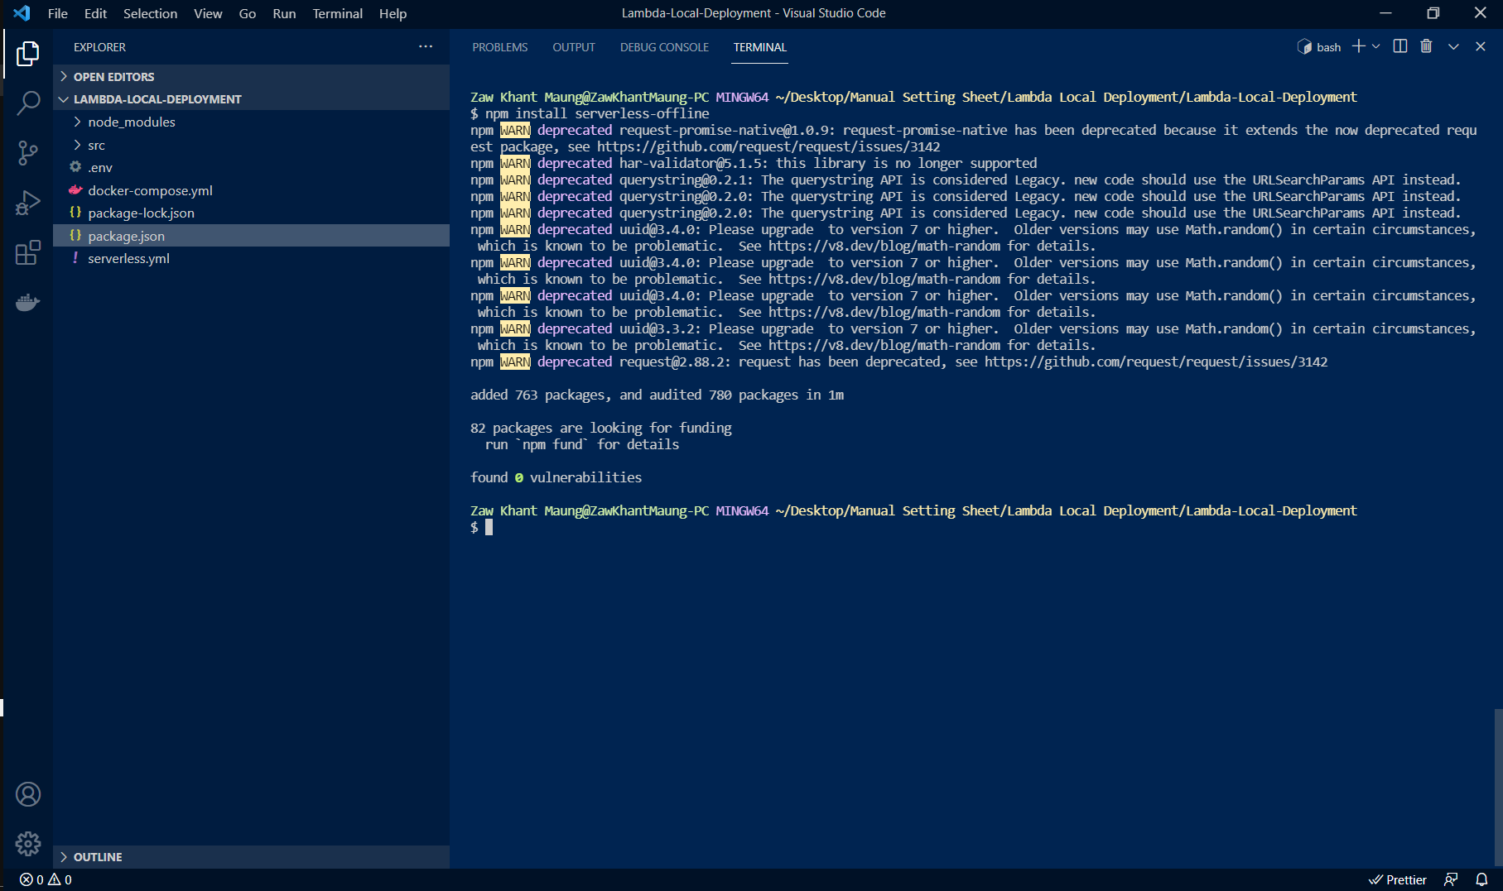

 | 4) We have to modify some code. So, copy the following code to each of files.

 |  | a) src/db.js
 |  | const mysql = require("mysql2"); const connection = mysql.createConnection({ host: process.env.DB_HOST, user: process.env.DB_USER, password: process.env.DB_PASSWORD, database: process.env.DB_NAME, port: process.env.DB_PORT, }); const connectToDatabase = async () => { connection.connect((error) => { if (error) throw error }); }; module.exports = { connection, connectToDatabase, };

 |  | b) src/user.js
 |  | "use strict"; const { connection, connectToDatabase } = require("./db"); const getUsers = () => { return new Promise((resolve, reject) => { connection.query(`Select * FROM users`, function (error, results, fields) { if (error) reject(error); resolve(results); }); }); }; const ins = async(event) => { const responseBody = { message: 'Data Inserted Successfully', status: 200, }; let username = new URLSearchParams(event.body).get('username') || null; let hometown = new URLSearchParams(event.body).get('hometown') || null; if (!username) return { statusCode: 422, message: "username is required." }; if (!hometown) return { statusCode: 422, message: "hometown is required." }; connection.connect(); connection.query("CREATE TABLE IF NOT EXISTS users (`id` INT(3) PRIMARY KEY AUTO_INCREMENT, `name` VARCHAR(20) NOT NULL, `hometown` VARCHAR(20), `created_at` TIMESTAMP DEFAULT CURRENT_TIMESTAMP, `updated_at` DATETIME DEFAULT CURRENT_TIMESTAMP ON UPDATE CURRENT_TIMESTAMP)", function (error, results, fields) { if (error) throw error; }); connection.query(`INSERT INTO users (name, hometown) VALUES ('${username}', '${hometown}')`, function (error, results, fields) { if (error) throw error; }); responseBody.data = await getUsers() connection.end(); return responseBody; }; const upd = async(event) => { const responseBody = { message: 'Data Updated Successfully', status: 200, }; let id = new URLSearchParams(event.body).get('id') || null; let hometown = new URLSearchParams(event.body).get('hometown') || null; if (!id) return { statusCode: 422, message: "id is required." }; if (!hometown) return { statusCode: 422, message: "hometown is required." }; connection.connect(); connection.query(`UPDATE users SET hometown = '${hometown}' WHERE id =

 | 5) Open Runbox by Win Key + R Key and type `services.msc`. And then, right click on MySQL80 and stop MySQL.
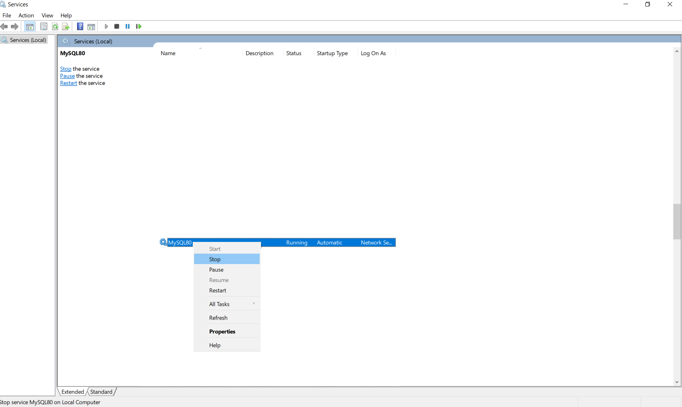

 | 6) Run `docker-compose up --build -d` in terminal.
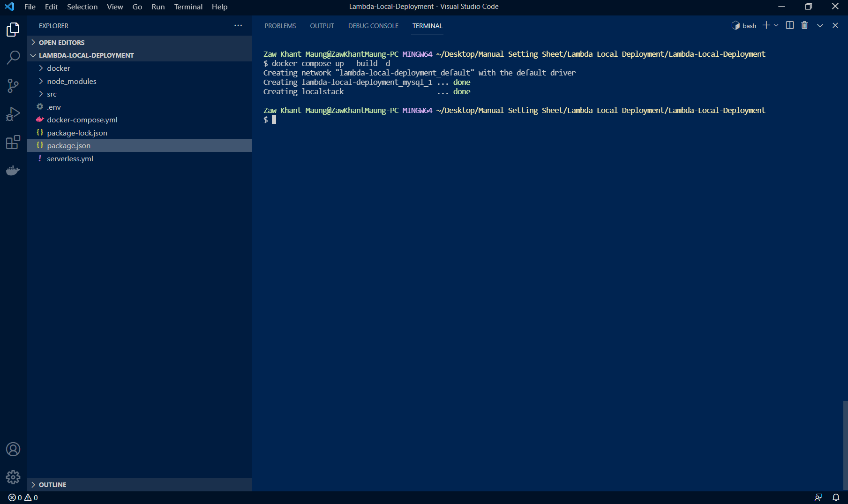

 | 7) Now you can connect to MySQL database using SQL client.
 | Note: user and password much be your Docker-Compose SQL credentials.
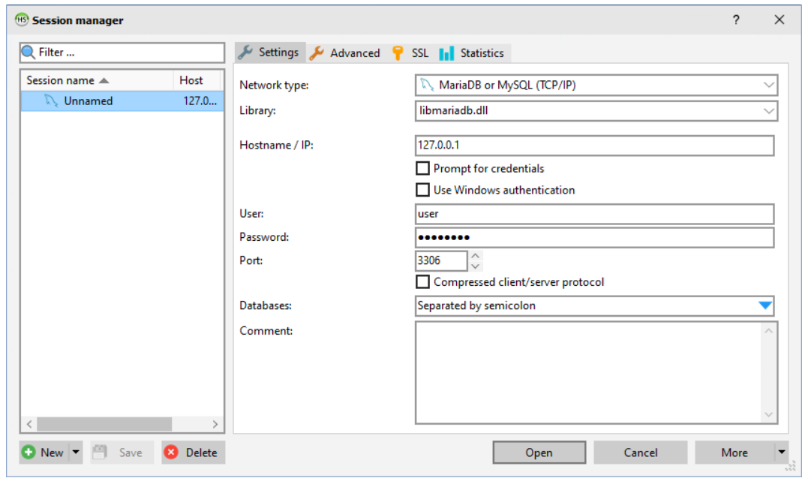

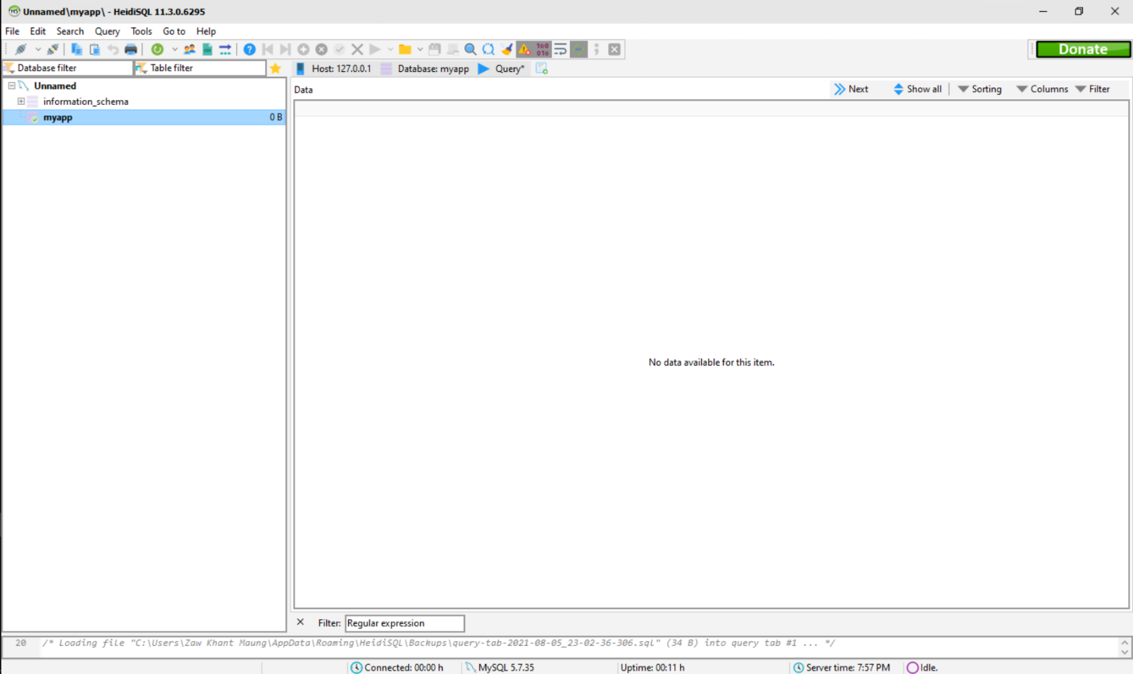

 | If you get this step successfully, you have been successfully added docker and serverless in your CRUD app.

Serverless Invoke
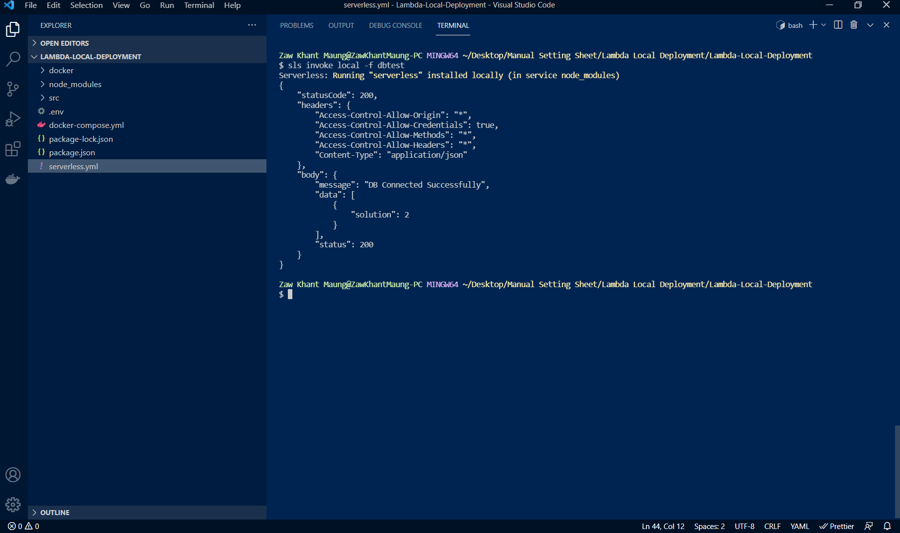
Test response with Serverless invoke

 | In this session, we have to test response by serverless invoking.

 | 1) You can invoke serverless function locally with this command `sls invoke local -f dbtest` in terminal.

Postman
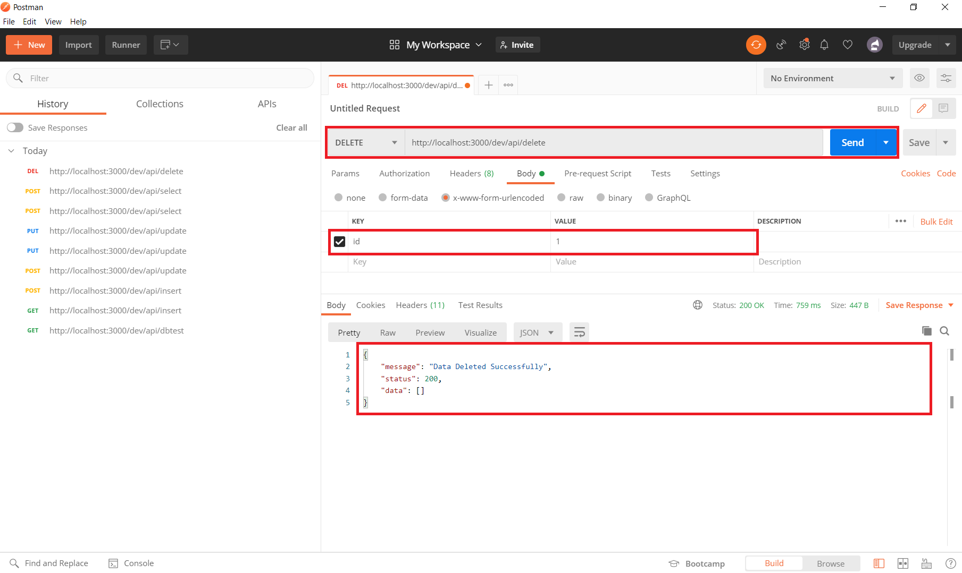
Test API with Postman

 | In this session, we have to API with Postman. So, if you don't have Postman, please download and install it.
 | Postman Link: | https://www.postman.com/downloads/

 | 1) To get `npm run deploy` command, we need to add script in package.json file.
 | "scripts": { "deploy": "serverless offline" },

 | 2) To output API, run `npm run deploy` in terminal.
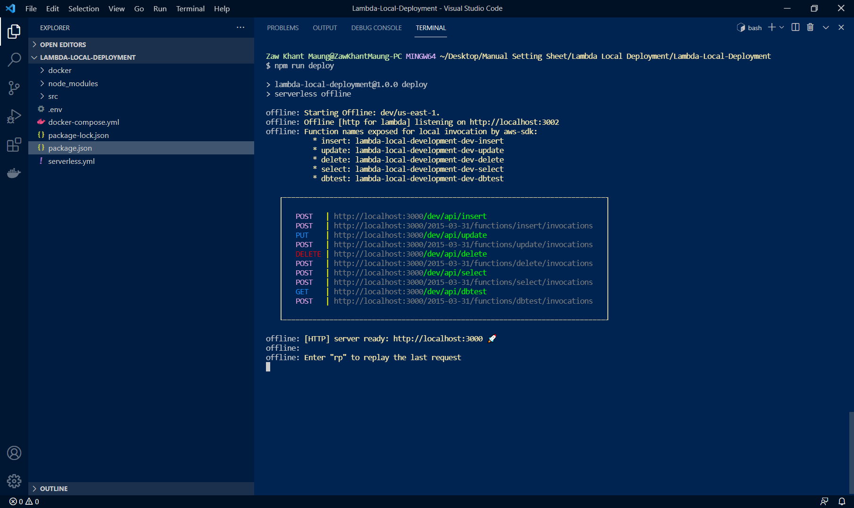

 | 3) Open Postman and test database connection.
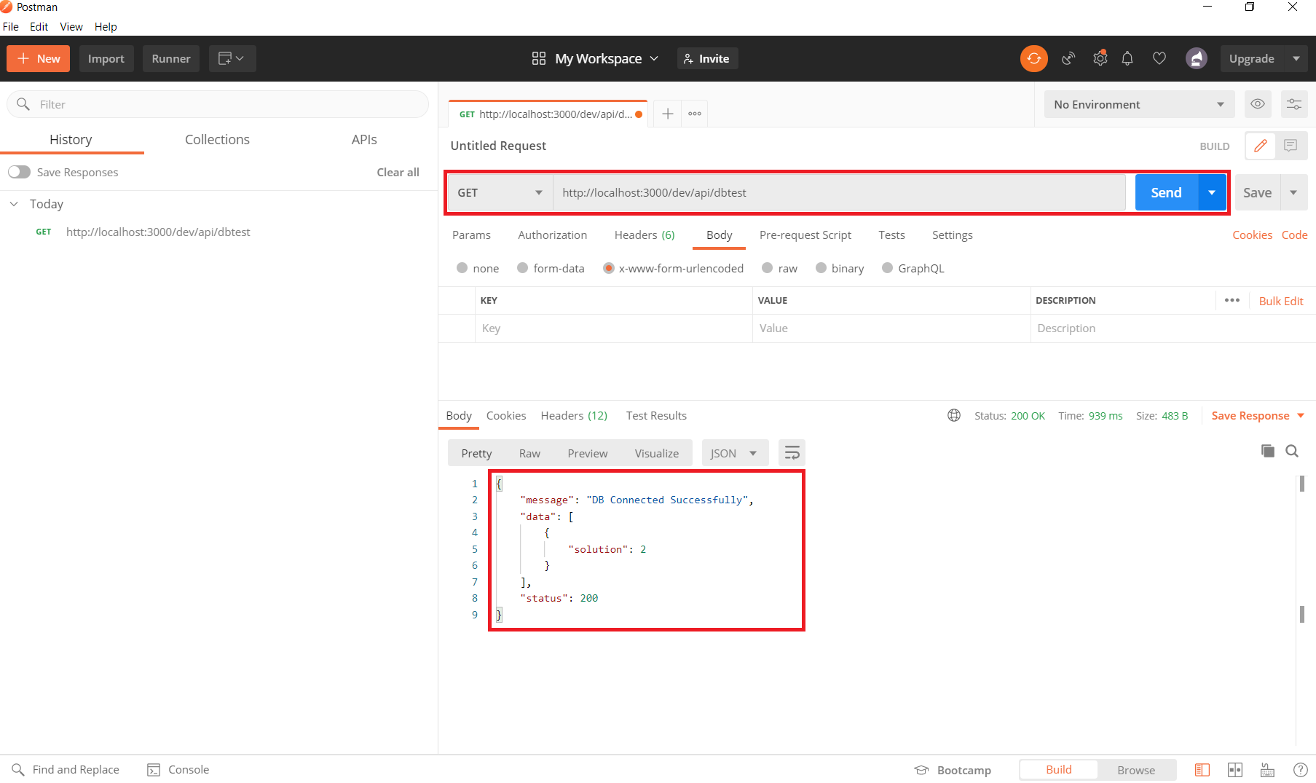

 | 4) Insert function.
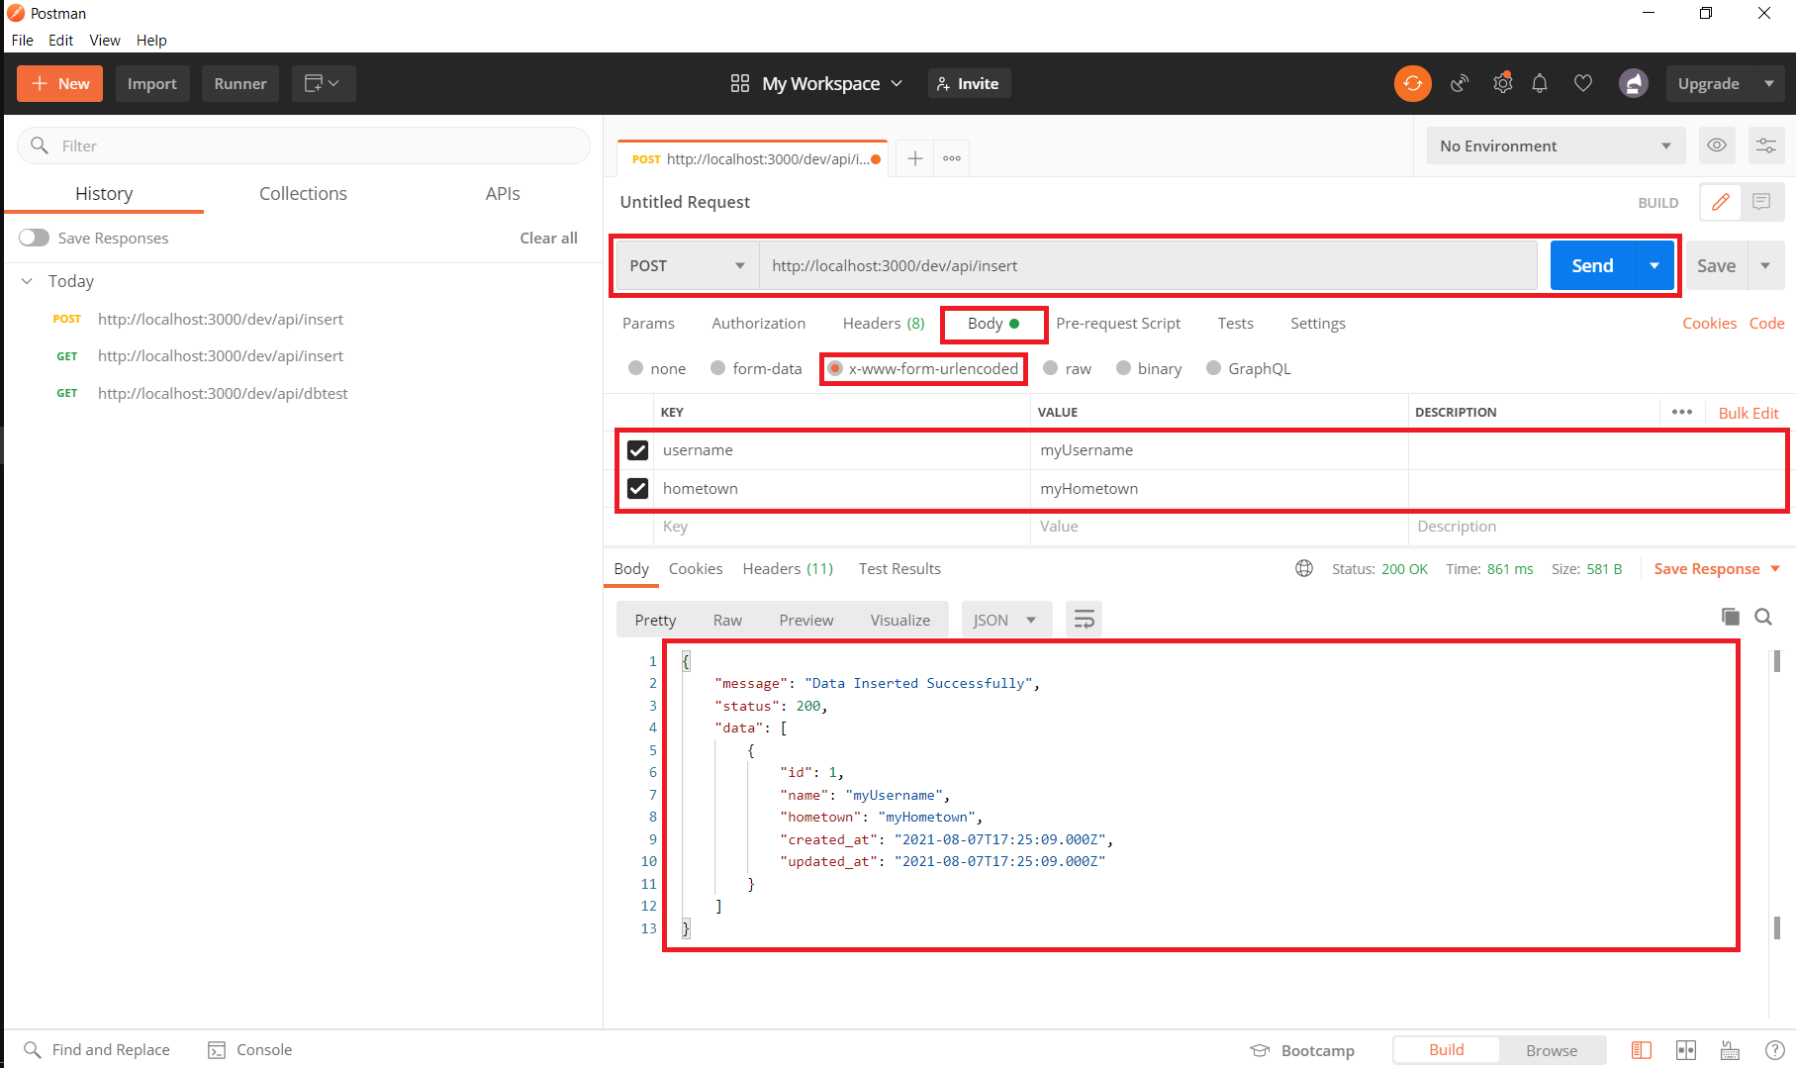

 | 5) Update function.
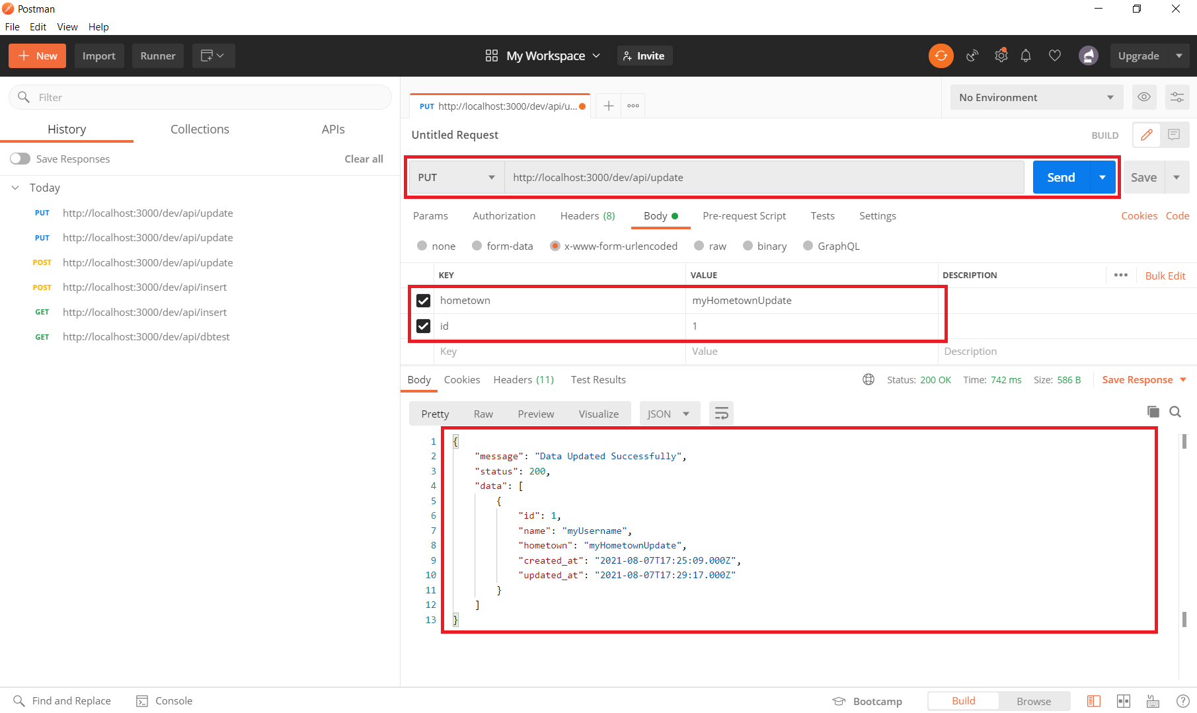

 | 6) Select function.
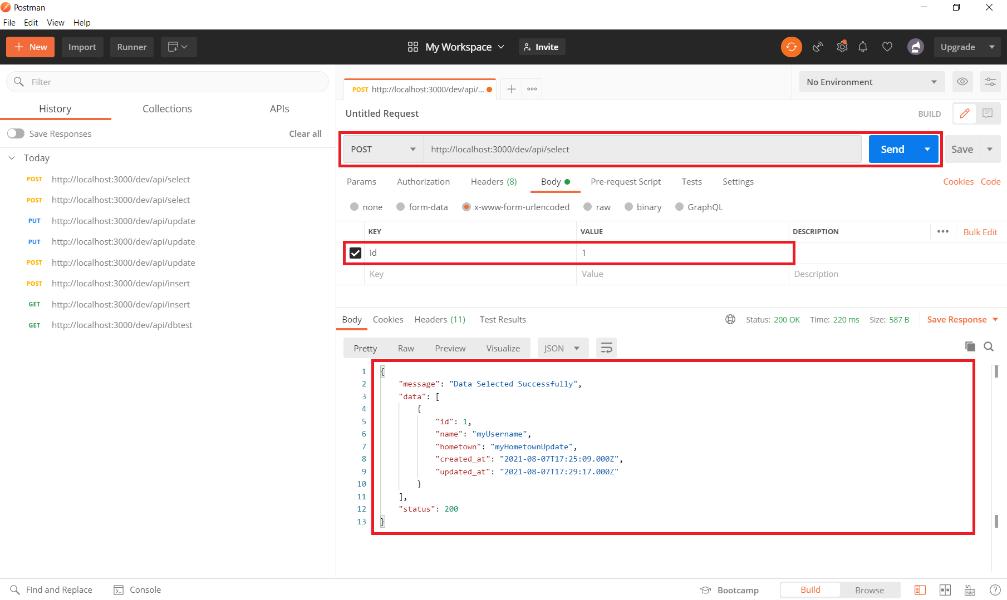

 | 7) Delete function.

Ajax
Test Web with Ajax

 | 1. Create `Lambda-Local-Deployment-Ajax-Call`. So, open PowerShell and type `mkdir Lambda-Local-Deployment-Ajax-Call`.
 | mkdir Lambda-Local-Deployment cd .\Lambda-Local-Deployment-Ajax-Call\ code .

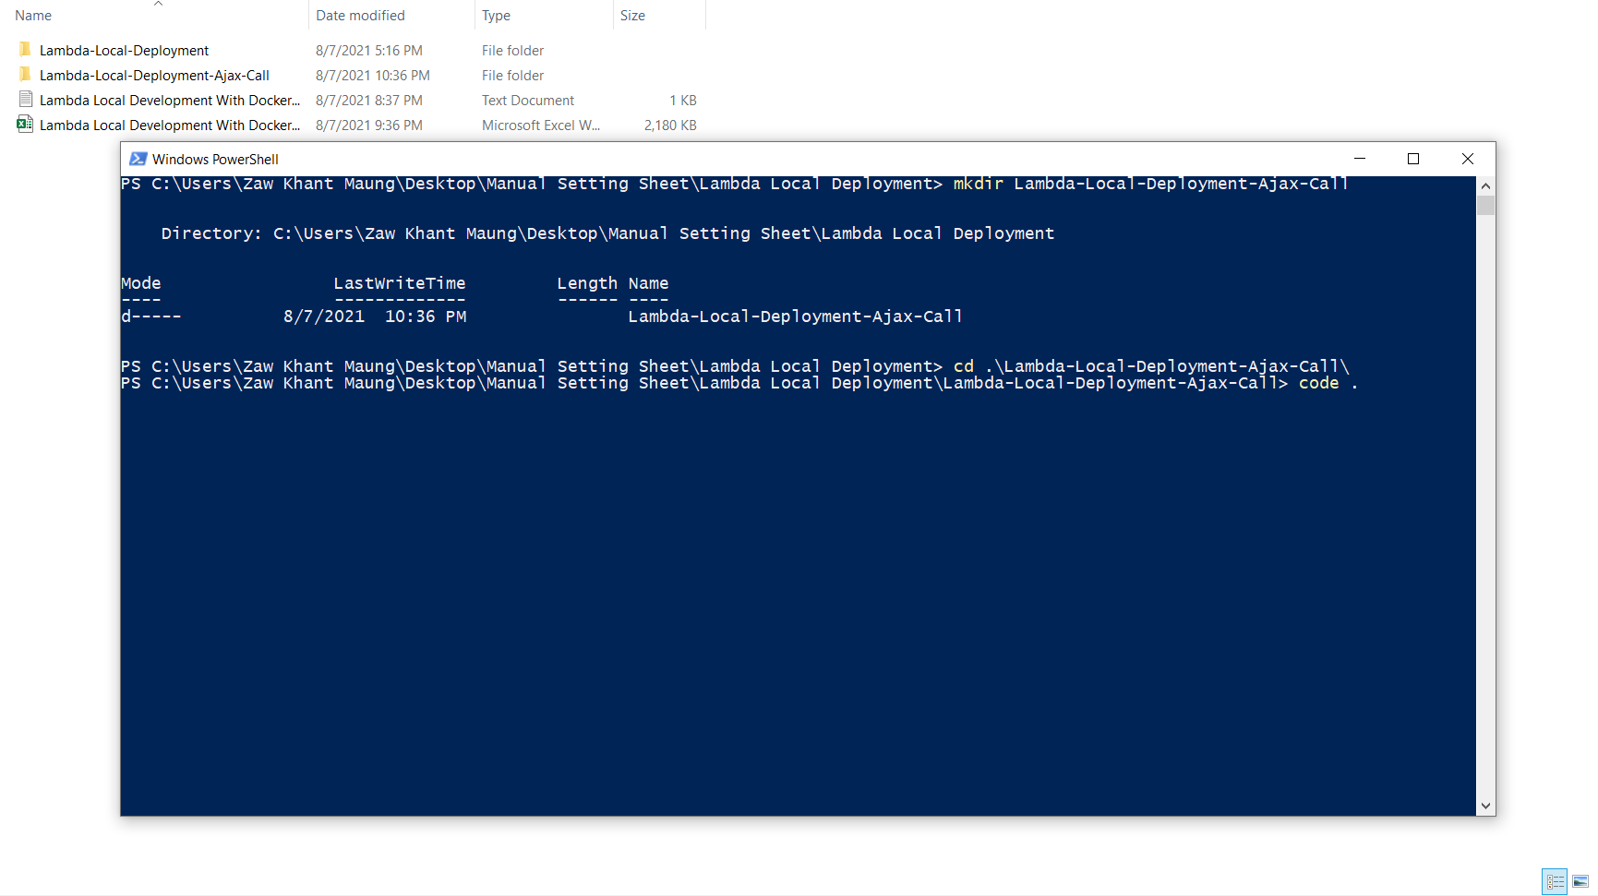

 | 2) Type the following command in VSCode terminal.
 | > index.html && > api.js

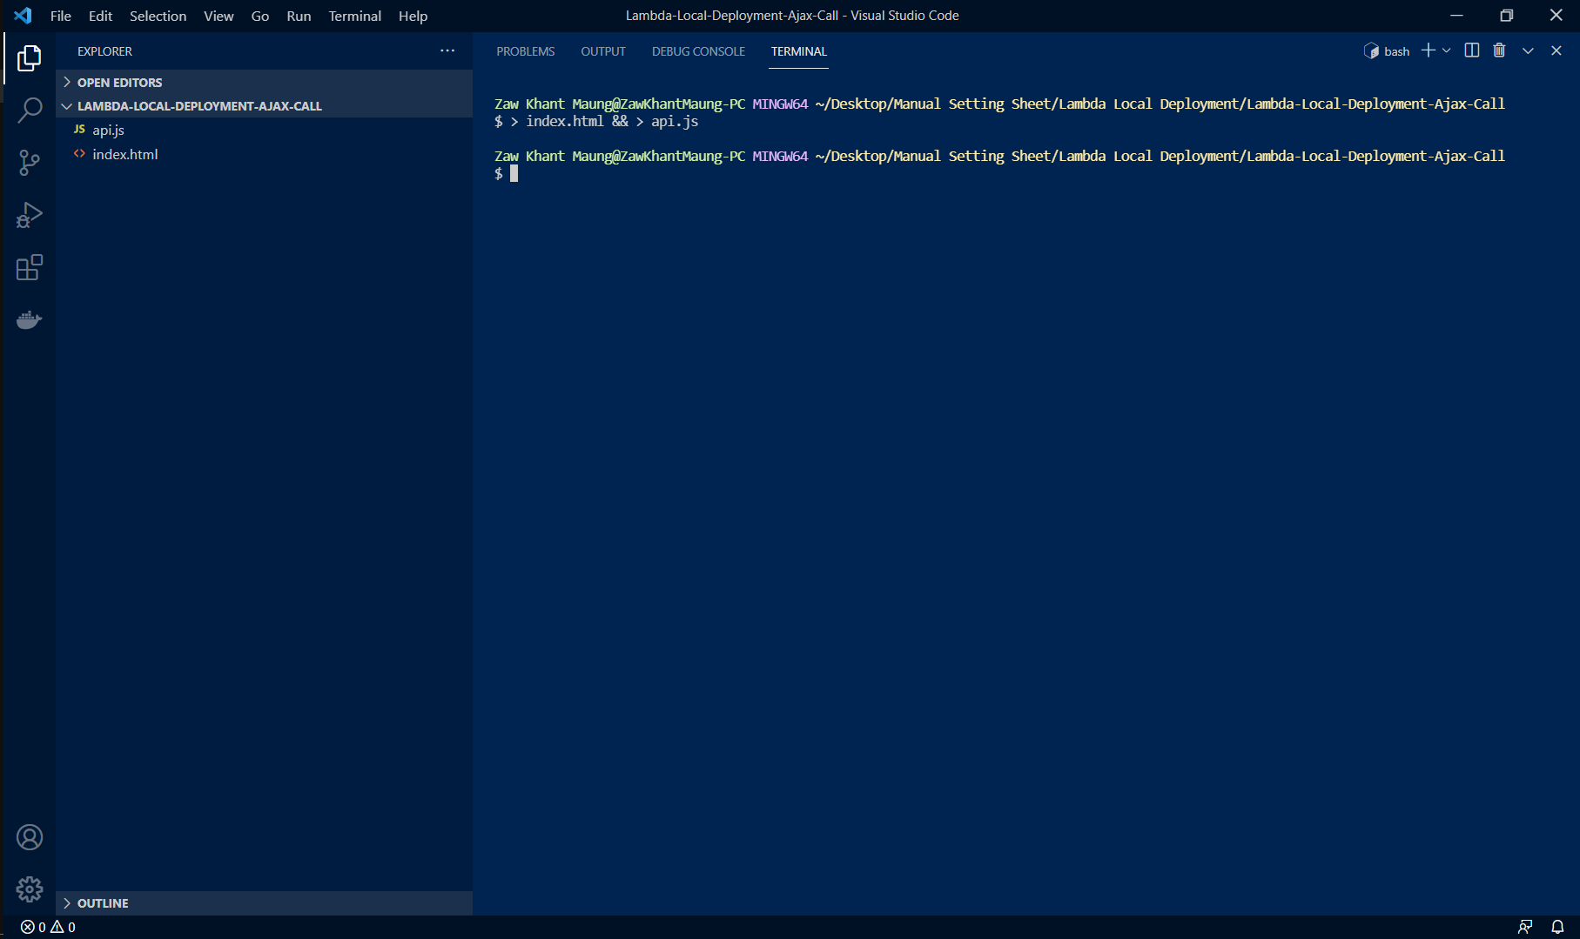

 | 3) Copy the following code to each of files.

 |  | a) index.html
 |  | <!DOCTYPE html> <html lang="en"> <head> <title>Serverless</title> <script src="https://ajax.googleapis.com/ajax/libs/jquery/3.2.0/jquery.min.js"></script> <script src="api.js"></script> </head> <body> <button>click me to call api</button> <p id="response"></p> </body> </html>

 |  | b) api.js
 |  | $(document).ready(function() { $("button").click(function() { $.ajax({ url: "http://localhost:3000/dev/api/dbtest", type: "GET", success: function(result) { console.log(result); $('#response').append(JSON.stringify(result));}, error: function(error) { console.log(error.responseJSON); } }); }); });

 | 4) Open VSCode. If you do not have installed `Live Server` extension, please install it.
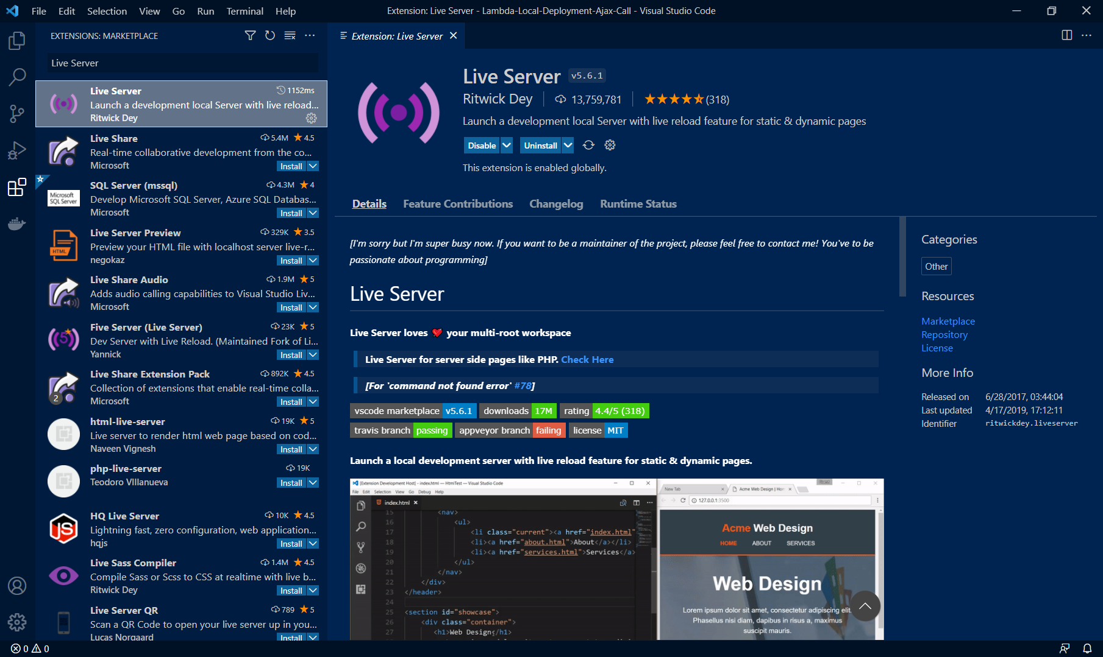

 | 5) To open with live server by Right click > Open with Live Server.
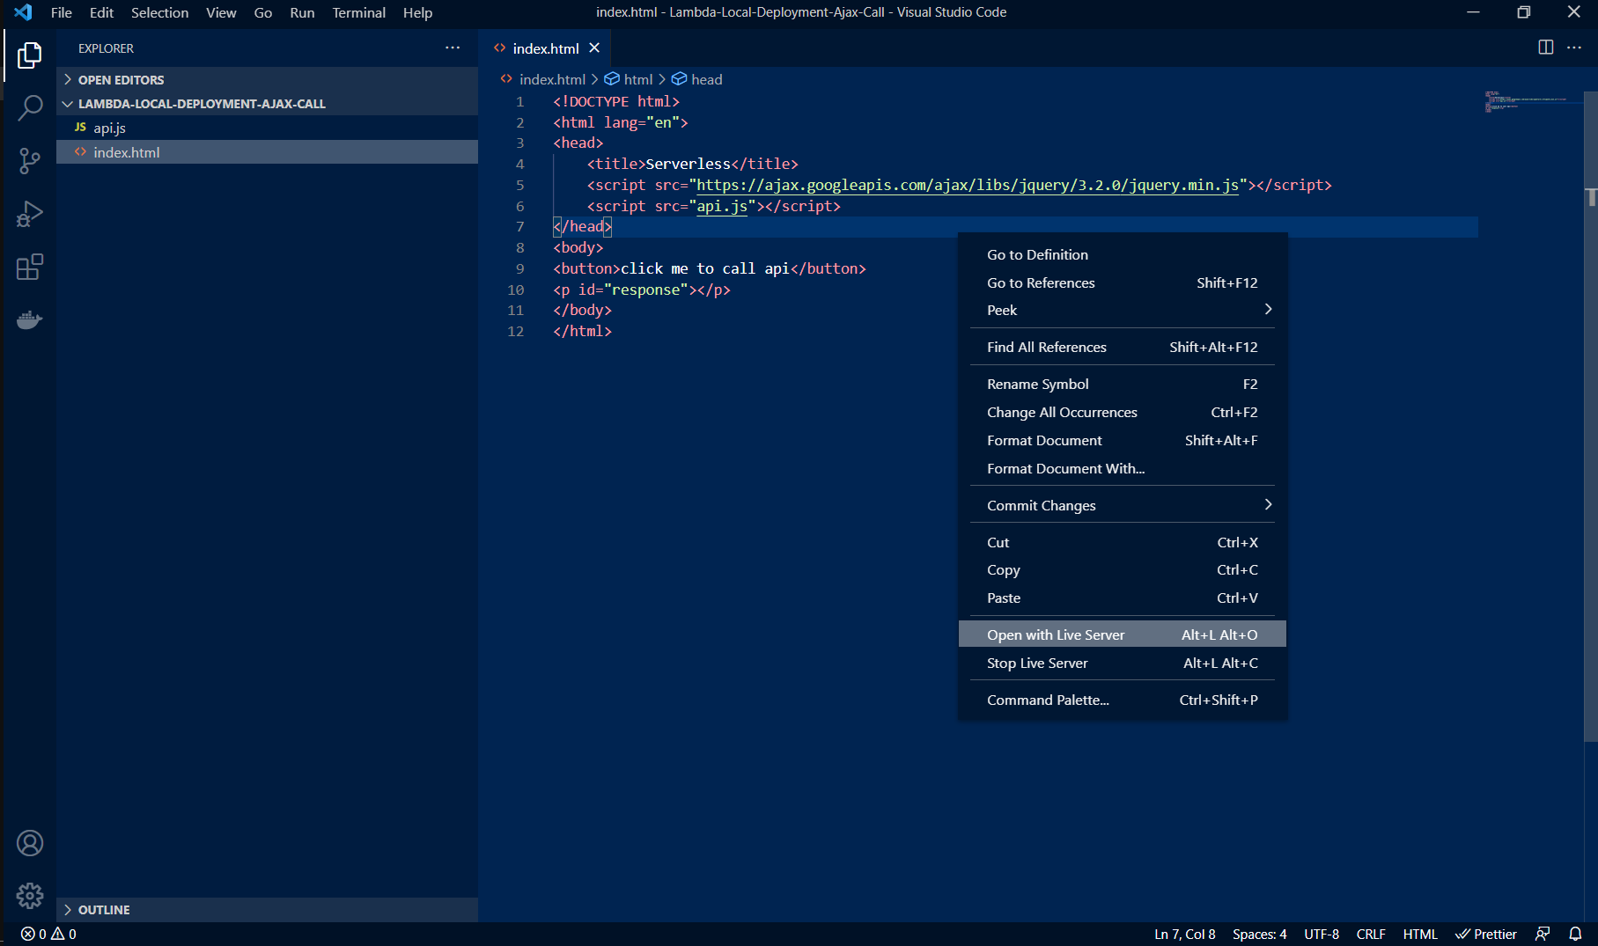

 | 6) Open console by Right click > Inspect, and click on the button. You will see this screen.
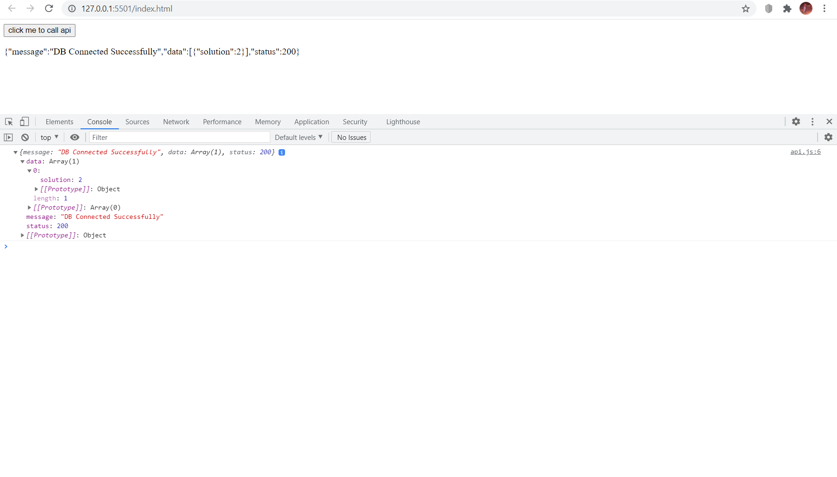

 | 7) To test insert function, we have to provide username and hometown. So, modify api.js with the following code.
 | $(document).ready(function() { $("button").click(function() { $.ajax({ url: "http://localhost:3000/dev/api/insert", type: "POST", data: { username: 'myAjaxUsername', hometown: 'myAjaxHometown' }, success: function(result) { console.log(result); $('#response').append(JSON.stringify(result));}, error: function(error) { console.log(error.responseJSON); } }); }); });

 | 8) Click the button.
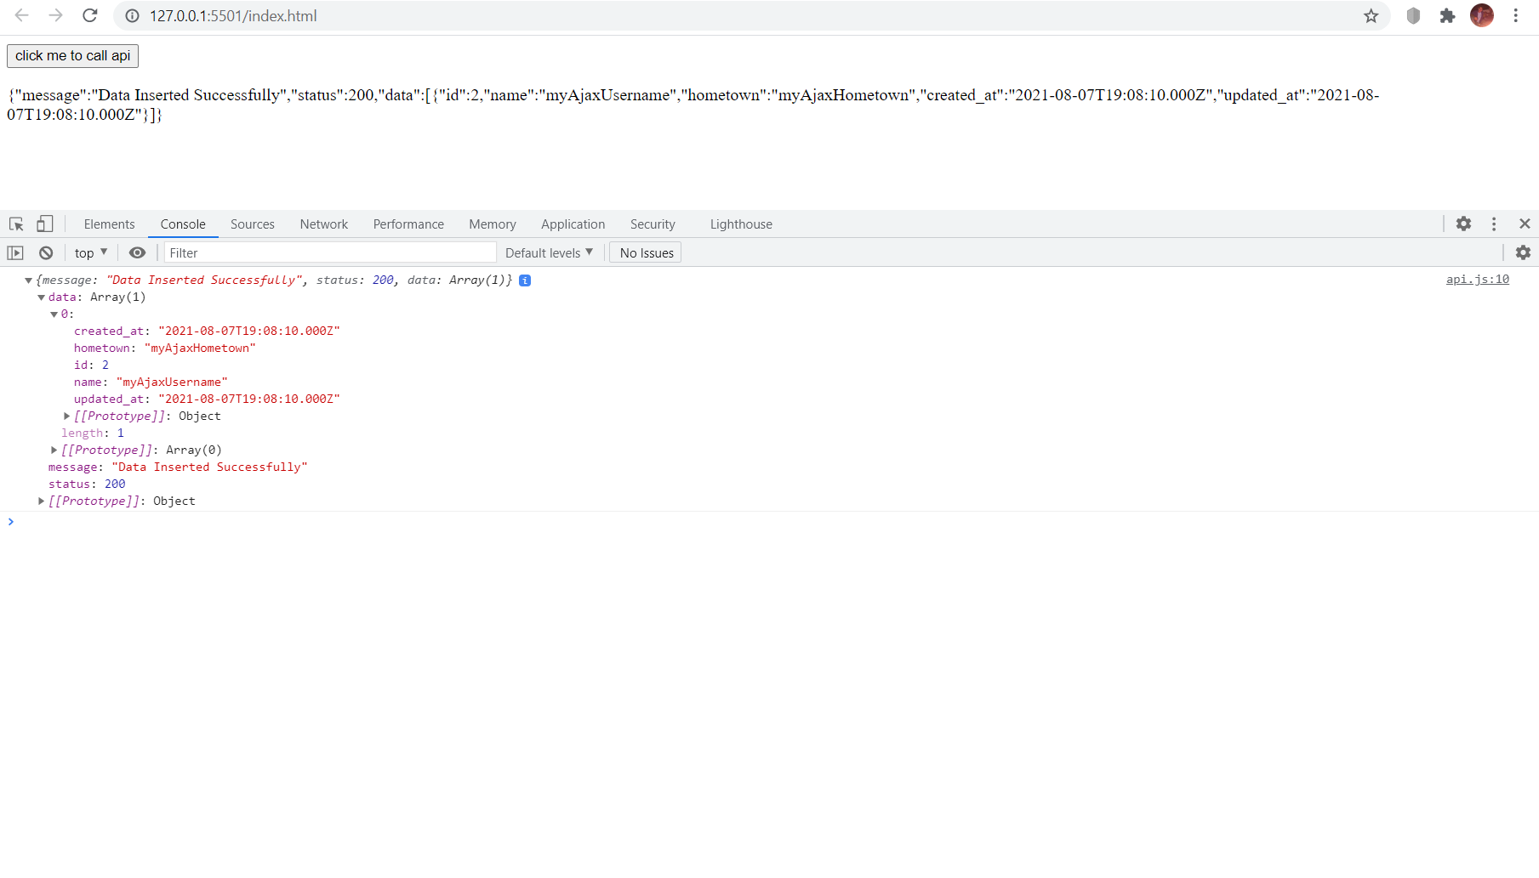

 | 9) To test update function, we have to provide id and hometown. So, modify api.js with the following code.
 | $(document).ready(function() { $("button").click(function() { $.ajax({ url: "http://localhost:3000/dev/api/update", type: "PUT", data: { id: 2, hometown: 'myAjaxHometownUpdate' }, success: function(result) { console.log(result); $('#response').append(JSON.stringify(result));}, error: function(error) { console.log(error.responseJSON); } }); }); });

 | 10) Click the button.


 | 11) To test select function, we have to provide id. So, modify api.js with the following code.
 | $(document).ready(function() { $("button").click(function() { $.ajax({ url: "http://localhost:3000/dev/api/select", type: "POST", data: { id: 2 }, success: function(result) { console.log(result); $('#response').append(JSON.stringify(result));}, error: function(error) { console.log(error.responseJSON); } }); }); });

 | 12) Click the button.
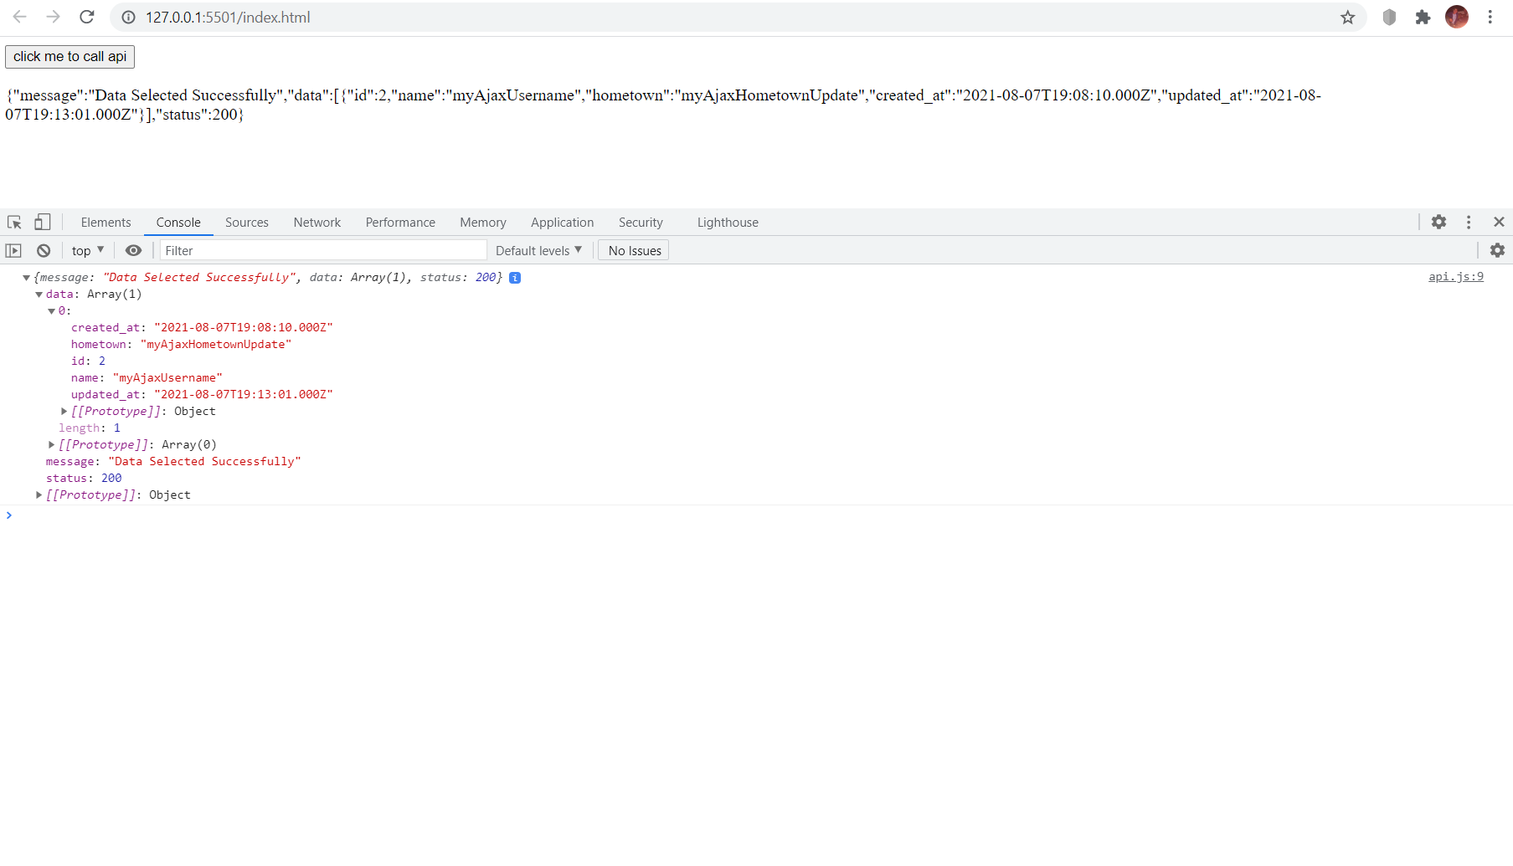

 | 13) To test delete function, we have to provide id. So, modify api.js with the following code.
 | $(document).ready(function() { $("button").click(function() { $.ajax({ url: "http://localhost:3000/dev/api/delete", type: "DELETE", data: { id: 2 }, success: function(result) { console.log(result); $('#response').append(JSON.stringify(result));}, error: function(error) { console.log(error.responseJSON); } }); }); });

 | 14) Click the button.
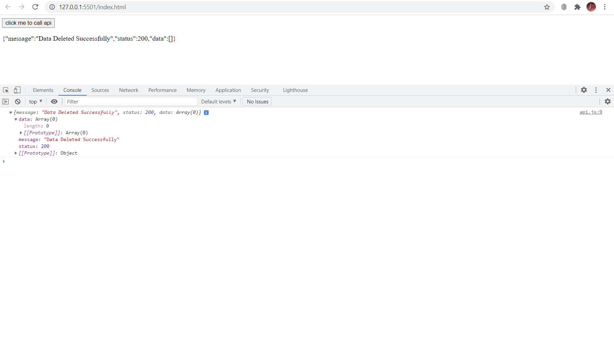

 | Congratulations! Your journey have been successfully complete.

